Roadmap
Roadmap --- Ø 9-7/8" 616-XR9(K)(BR)

Delaware --- Intermediate

 |  |  |  |  |  | 0.13 |  |  |  |  | On Bottom
Σ Measured Depth | Formation | Characteristics | WOB | Rotary | Total | Flow | Expected ROP |  | DOC | UCS | Section | Cumulative
(ft) |  |  | (KLBS) | (rpm) | (rpm) | (GPM) | (ft/hr) |  | (in/rev) | kpsi | (hrs) | (hrs) | ROP
2000 - 4855 | Rustler (Salt) | Anhydrite / Limestone / Red Shale and Limestone | 40 - 45 | 70 - 80 | 194 - 204 | 950 | 350 - 380 | 365 | 0.367 | 8-12 | 7.8 | 7.8 | 365
4855 - 4880 | Lamar (Delaware) | Limey Shale | 45 - 50 | 60 - 80 | 184 - 204 | 950 | 375 - 380 | 377.5 | 0.389 | 17-18 | 0.1 | 7.9 | 365
4880 - 5901 | Bell Canyon | Sandstone | 50 - 55 | 60 - 70 | 184 - 194 | 950 | 350 - 380 | 365 | 0.386 | 15-18 | 2.8 | 10.7 | 365
5901 - 7303 | Cherry Canyon | Sandstone | 50 - 55 | 60 - 65 | 184 - 189 | 950 | 250 - 275 | 262.5 | 0.282 | 18-25 | 5.3 | 16.0 | 331
7303 - 9067 | Brushy Canyon | Shale / Sandstone / Pyritic Limestone | 40 - 45 | 50 - 60 | 174 - 184 | 950 | 100 - 110 | 105 | 0.117 | 16-29 | 16.8 | 32.8 | 215
9067 - 9186 | Upper Avalon | Massive Blocky Limestone | 40 - 45 | 55 - 65 | 179 - 189 | 950 | 110 - 120 | 115 | 0.125 | 17-22 | 1.0 | 33.9 | 212
9186 - 10007 | Avalon Lime | Massive Blocky Limestone | 40 - 45 | 50 - 60 | 174 - 184 | 950 | 50 - 60 | 55 | 0.061 | 20-28 | 14.9 | 48.8 | 164
10007 - 10232 | *1 Bone Springs Sand | Sandstone / Siltstone / Shale | 45 - 50 | 60 - 70 | 184 - 194 | 950 | 80 - 120 | 100 | 0.106 | 21-25 | 2.3 | 51.0 | 161
10232 - 10524 | 2 Bone Springs Lime | Intercalated Limestone & Shale | 35 - 40 | 55 - 60 | 179 - 184 | 950 | 40 - 50 | 45 | 0.050 | 24-27 | 6.5 | 57.5 | 148
10524 - 10996 | 2 Bone Springs Sand | Sandstone / Siltstone / Shale | 20 - 30 | 40 - 50 | 164 - 174 | 950 | 80 - 100 | 90 | 0.107 | 24-26 | 5.2 | 62.8 | 143
10996 - 11170 | 3 Bone Springs Lime | Intercalated Limestone & Shale | 30 - 35 | 70 - 80 | 194 - 204 | 950 | 70 - 80 | 75 | 0.075 | 23-26 | 2.3 | 65.1 | 141
11170 - 11628 | Harkey Sand | Sandstone / Siltstone / Shale | 45 - 50 | 60 - 70 | 184 - 194 | 950 | 90 - 110 | 100 | 0.106 | 23-25 | 4.6 | 69.7 | 138
11628 - 11800 | 3 Bone Springs Sand | Carbonate Sandstone / Siltstone / Shale | 30 - 40 | 60 - 70 | 184 - 194 | 950 | 120 - 140 | 130 | 0.138 | 19-22 | 1.3 | 71.0 | 138
 | * If you enter the 1 Bone Springs Sand at ≈ 100 ROP then the bit should still be green |  |  |  |  |  |  |  | 0.150 |  | 71.0 hrs |  | 138 ROP
 |  |  |  |  |  |  |  |  |  |  | 2.96 days
 | ROP | hrs
2,000 | 365 | 0.0
4,855 | 365 | 7.8
4,880 | 377.5 | 7.9
5,901 | 365 | 10.7
7,303 | 262.5 | 16.0
9,067 | 105 | 32.8
9,186 | 115 | 33.9
10,007 | 55 | 48.8
10,232 | 100 | 51.0
10,524 | 45 | 57.5
10,996 | 90 | 62.8
11,170 | 75 | 65.1
11,628 | 100 | 69.7
11,800 | 130 | 71.0
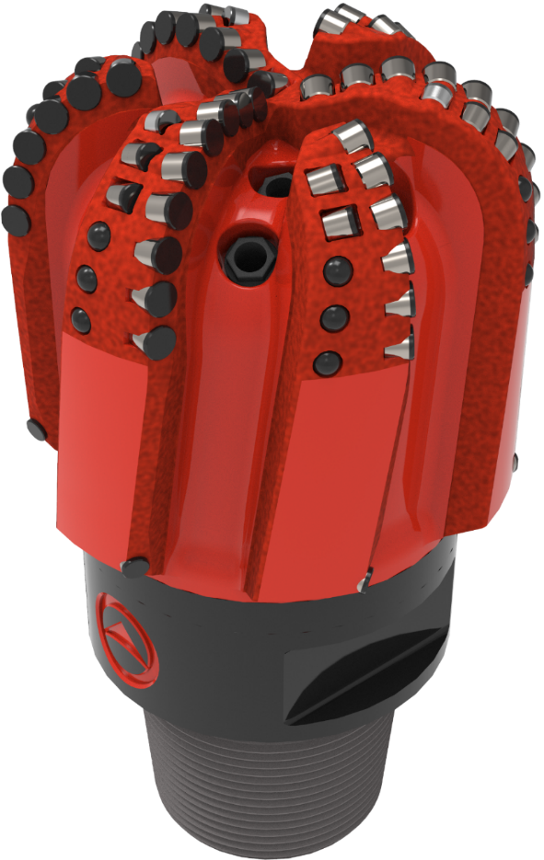

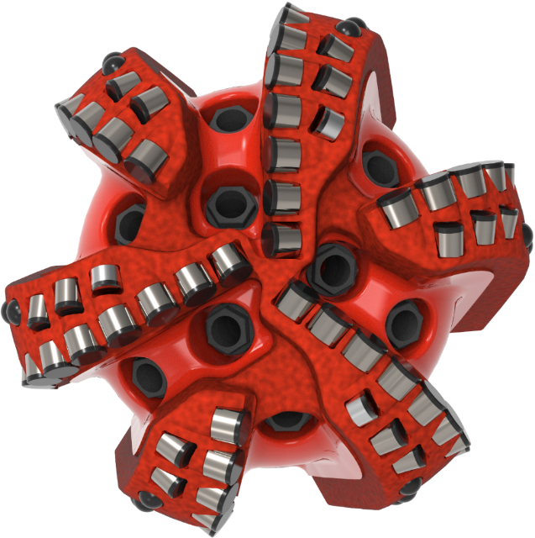

 |  |  |  |  |  |  |  |  |  |  |  |  | 5749

